Problem 2 Practice
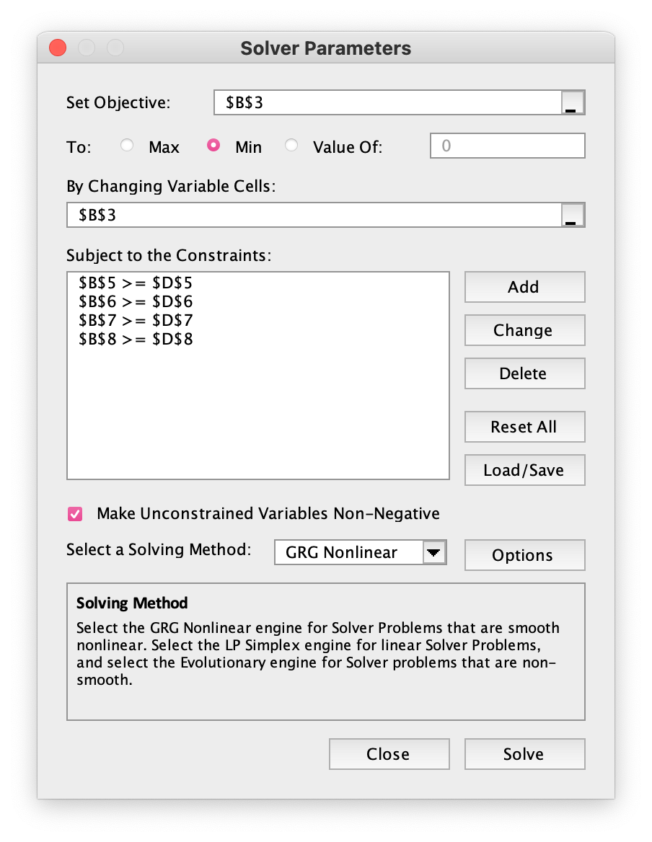
x1 | 0
x2 | 8
Objective Function, Minimize Z = 15x1 + 9x2 | 72
Subject to:
8x1 + 6x2 | 48 | ≥ | 48
x1 + 2x2 | 16 | ≥ | 12
x1 | 0 | ≥ | 0
x2 | 8 | ≥ | 0

